Commercial Invoice
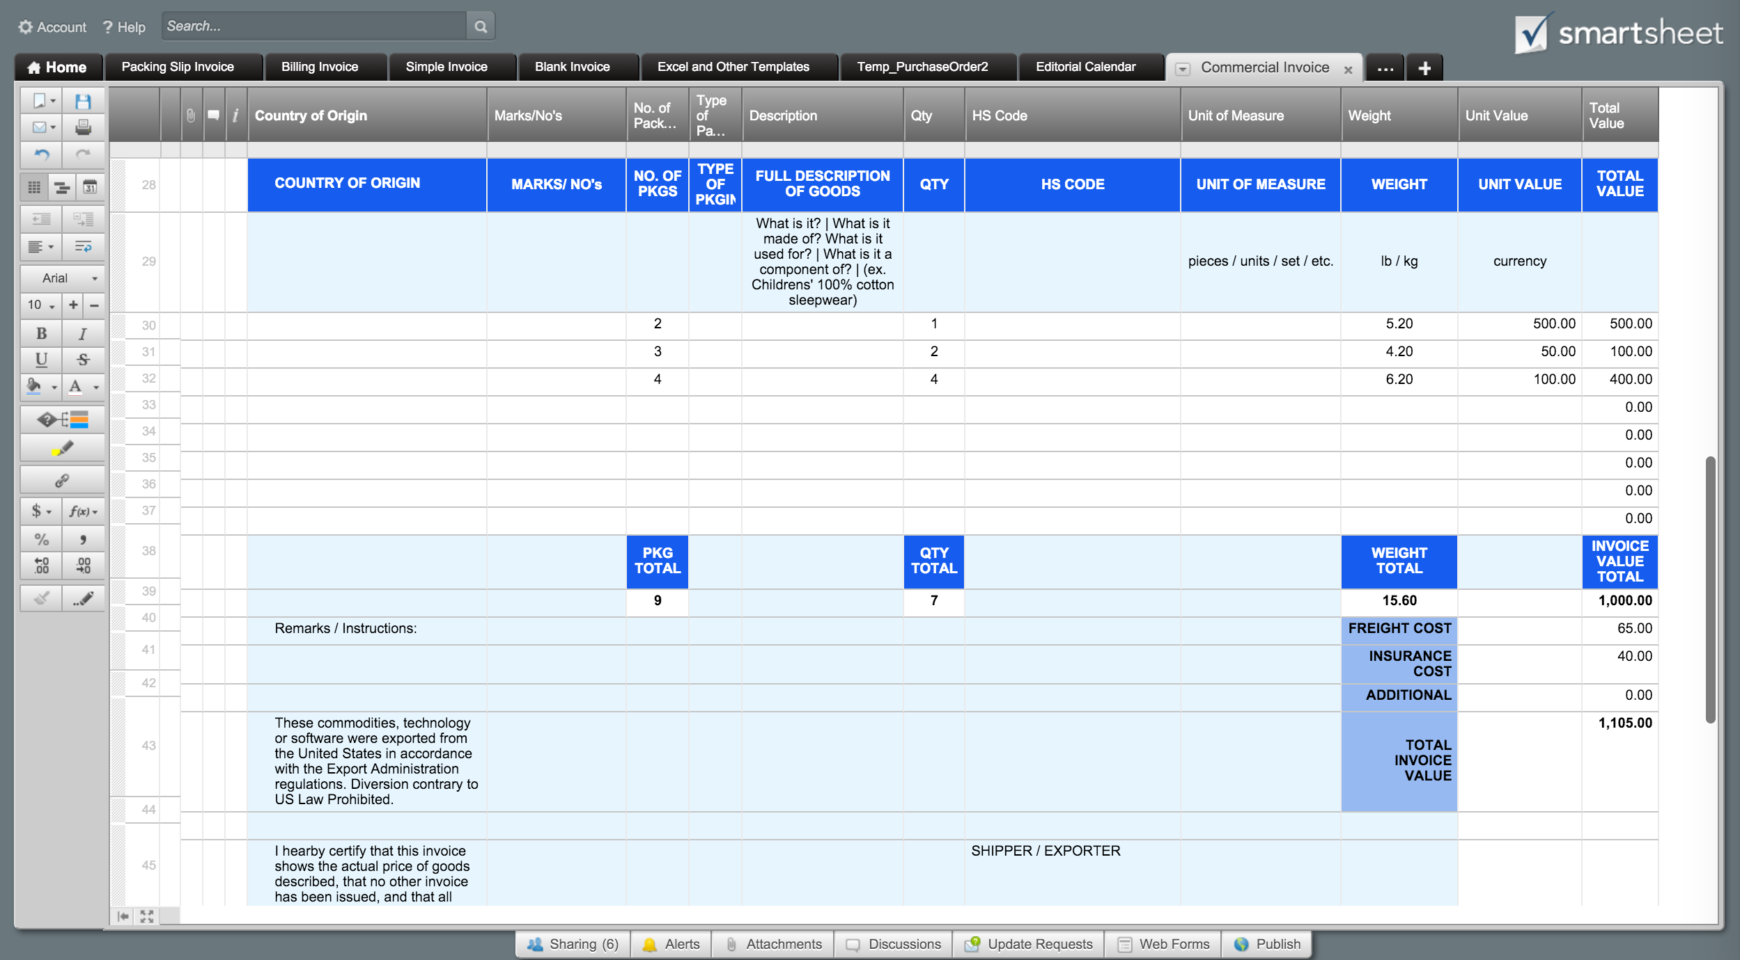
 |  |  |  |  |  | COMMERCIAL INVOICE |  |  |  |  | Or, Click Here to Create Your Commercial Invoice in Smartsheet
 |  |  |  |  |  | Please complete in English. (print)
*All shipments must be accompanied by a FedEx International Air Waybill & two duplicate copies of CI.
Company Name |  |  |  |  |  | INTERNATIONAL AIR WAYBILL NO.
123 Main Street |  |  |  |  |  | 8034842974
Hamilton, OH 44416 |  |  |  |  |  | DATE OF EXPORTATION
(321) 456-7890 |  |  |  |  |  | 2016-05-22
Email Address |  |  |  |  |  | SHIPPER EXPORT REF (order no., invoice no., etc.)
 |  |  |  |  |  | A362P444

SHIPPER / EXPORTER |  |  |  |  |  | CONSIGNEE
FULL NAME: | Name |  |  |  |  | FULL NAME: | Name
ADDRESS: | Address |  |  |  |  | ADDRESS: | Address
ADDRESS: | Address |  |  |  |  | ADDRESS: | Address
ADDRESS: | Address |  |  |  |  | ADDRESS: | Address
ADDRESS: | Address |  |  |  |  | ADDRESS: | Address
TELEPHONE: | (321) 456-7890 |  |  |  |  | TELEPHONE: | +81 010 0112716677
BUSINESS REGISTRATION NO.: |  |  | 111-22-3333 |  |  | BUSINESS REGISTRATION NO.: |  |  | 111-22-3333
( Customs / Tax ID No. e.g. GST / RFC/ VAT / IN / EIN / ABN / SSN, or as locally required ) |  |  |  |  |  | ( Customs / Tax ID No. e.g. GST / RFC/ VAT / IN / EIN / ABN / SSN, or as locally required )

COUNTRY OF EXPORT |  |  |  |  |  | IMPORTER IF OTHER THAN CONSIGNEE
United States of America |  |  |  |  |  | FULL NAME: | Name
PURPOSE OF EXPORT (personal gift, return for repair, etc.) |  |  |  |  |  | ADDRESS: | Address
42512 |  |  |  |  |  | ADDRESS: | Address
COUNTRY OF ULTIMATE DESTINATION |  |  |  |  |  | ADDRESS: | Address
Japan |  |  |  |  |  | ADDRESS: | Address
 |  |  |  |  |  | TELEPHONE: | +81 010 0112716677
 |  |  |  |  |  | BUSINESS REGISTRATION NO.: |  |  | 111-22-3333
 |  |  |  |  |  | ( Customs / Tax ID No. e.g. GST / RFC/ VAT / IN / EIN / ABN / SSN, or as locally required )

COUNTRY OF ORIGIN | MARKS/ NO's | NO. OF PKGS | TYPE OF PKGING | FULL DESCRIPTION OF GOODS | QTY | HS CODE | UNIT OF MEASURE | WEIGHT | UNIT VALUE | TOTAL VALUE
 |  |  |  | What is it? | What is it made of? What is it used for? | What is it a component of? | (ex. Childrens' 100% cotton sleepwear) |  |  | pieces / units / set / etc. | lb / kg | currency
 |  | 2 |  |  | 1 |  |  | 5.20 | 500.00 | 500.00
 |  | 3 |  |  | 2 |  |  | 4.20 | 50.00 | 100.00
 |  | 4 |  |  | 4 |  |  | 6.20 | 100.00 | 400.00
 |  |  |  |  |  |  |  |  |  | 0.00
 |  |  |  |  |  |  |  |  |  | 0.00
 |  |  |  |  |  |  |  |  |  | 0.00
 |  |  |  |  |  |  |  |  |  | 0.00
 |  |  |  |  |  |  |  |  |  | 0.00
 |  | PKG TOTAL |  |  | QTY TOTAL |  |  | WEIGHT TOTAL |  | INVOICE VALUE TOTAL
 |  | 9 |  |  | 7 |  |  | 15.60 |  | 1,000.00
Remarks / Instructions: |  |  |  |  |  |  |  | FREIGHT COST |  | 65.00
 |  |  |  |  |  |  |  | INSURANCE COST |  | 40.00
 |  |  |  |  |  |  |  | ADDITIONAL |  | 0.00
These commodities, technology or software were exported from the United States in accordance with the Export Administration regulations. Diversion contrary to US Law Prohibited. |  |  |  |  |  |  |  | TOTAL INVOICE VALUE |  | 1,105.00

I hearby certify that this invoice shows the actual price of goods described, that no other invoice has been issued, and that all particulars are true and correct. |  |  |  |  |  | SHIPPER / EXPORTER
 |  |  |  |  |  | NAME (PRINT)

 |  |  |  |  |  | SHIPPER / EXPORTER
DATE |  |  |  |  |  | SIGNATURE

For questions concerning this packing slip please contact
Name, (321) 456-7890, Email Address
www.yourwebaddress.com

