Sales Invoice
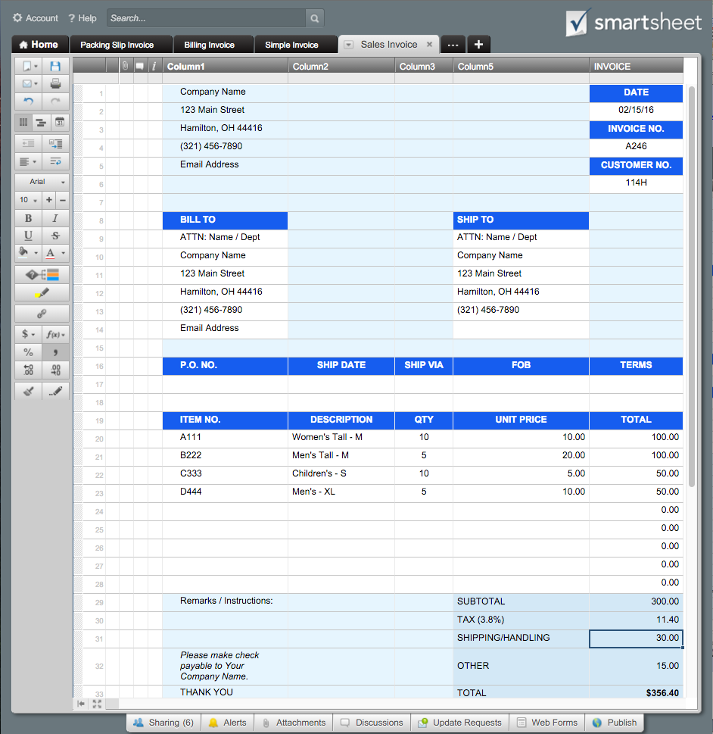
 |  |  |  |  | SALES INVOICE |  | Or, Click Here to Create Your Sales Invoice in Smartsheet
Company Name |  |  |  |  | DATE
123 Main Street |  |  |  |  | 2016-02-15
Hamilton, OH 44416 |  |  |  |  | INVOICE NO.
(321) 456-7890 |  |  |  |  | A246
Email Address |  |  |  |  | CUSTOMER NO.
 |  |  |  |  | 114H

BILL TO |  |  |  | SHIP TO
ATTN: Name / Dept |  |  |  | ATTN: Name / Dept
Company Name |  |  |  | Company Name
123 Main Street |  |  |  | 123 Main Street
Hamilton, OH 44416 |  |  |  | Hamilton, OH 44416
(321) 456-7890 |  |  |  | (321) 456-7890
Email Address

P.O. NO. | SHIP DATE | SHIP VIA | SALESPERSON |  | FOB | TERMS

ITEM NO. | DESCRIPTION |  |  | QTY | UNIT PRICE | TOTAL
A111 | Women's Tall - M |  |  | 10 | 10.00 | 100.00
B222 | Men's Tall - M |  |  | 5 | 20.00 | 100.00
C333 | Children's - S |  |  | 10 | 5.00 | 50.00
D444 | Men's - XL |  |  | 5 | 10.00 | 50.00
 |  |  |  |  |  | 0.00
 |  |  |  |  |  | 0.00
 |  |  |  |  |  | 0.00
 |  |  |  |  |  | 0.00
 |  |  |  |  |  | 0.00
Remarks / Instructions: |  |  |  | SUBTOTAL |  | 300.00
 |  |  |  | TAX (3.8%) |  | 11.40
 |  |  |  | SHIPPING/HANDLING |  | 30.00
Please make check payable to Your Company Name. |  |  |  | OTHER |  | 15.00
THANK YOU |  |  |  | TOTAL |  | $356.40

For questions concerning this invoice, please contact
Name, (321) 456-7890, Email Address
www.yourwebaddress.com

