Simple Business Risk Register
SIMPLE BUSINESS RISK REGISTER TEMPLATE
 |  |  |  |  | 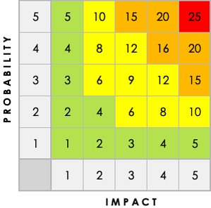
RISK DESCRIPTION | IMPACT DESCRIPTION | IMPACT LEVEL | PROBABILITY LEVEL | PRIORITY LEVEL | MITIGATION NOTES | OWNER | KEY
Give a brief summary of the risk. | What will happen if the risk is not mitigated or eliminated? | Rate 1 (LOW) to 5 (HIGH) | Rate 1 (LOW) to 5 (HIGH) | (IMPACT X PROBABILITY) Address highest first. | What can be done to lower or eliminate the impact or probability? | Who's responsible? | LEVEL
 |  |  |  |  |  |  | 1
 |  |  |  |  |  |  | 2
 |  |  |  |  |  |  | 3
 |  |  |  |  |  |  | 4
 |  |  |  |  |  |  | 5

CLICK HERE TO CREATE IN SMARTSHEET

