Incident Priority Matrix
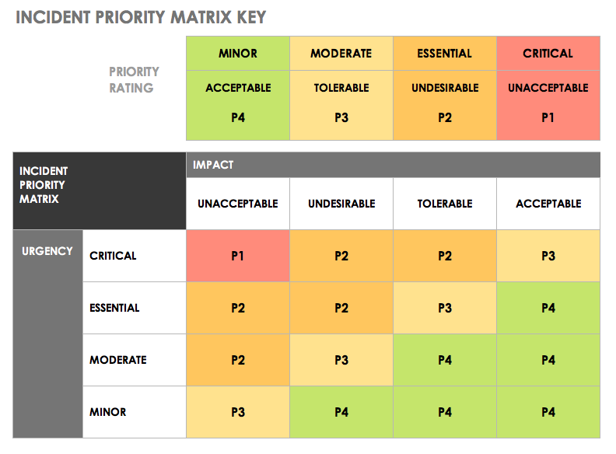
INCIDENT PRIORITY MATRIX TEMPLATE
REF ID / TKT NO. | INCIDENT | IMPACT | URGENCY | PRIORITY | DEPARTMENT / LOCATION | WARNINGS / REMEDIES | IMPACT | URGENCY | PRIORITY
 |  | ACCEPTABLE | MINOR | P4 |  |  | ACCEPTABLE | MINOR | P4
 |  | TOLERABLE | MODERATE | P3 |  |  | TOLERABLE | MODERATE | P3
 |  | UNDESIRABLE | ESSENTIAL | P2 |  |  | UNDESIRABLE | ESSENTIAL | P2
 |  | INTOLERABLE | CRITICAL | P1 |  |  | INTOLERABLE | CRITICAL | P1

CLICK HERE TO CREATE IN SMARTSHEET

