To-do List
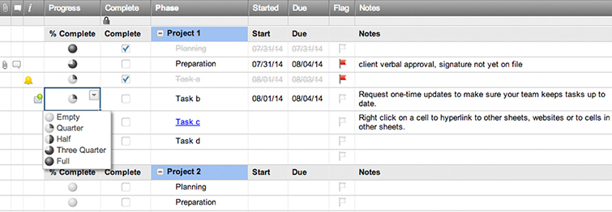
To Do List

Complete? | Priority | Task
Y | High | Task 1
N | Low | Task 2
 |  | Task 3
 |  | Task 4
 |  | Task 5
 |  | Task 6

Create a To Do List in Smartsheet

