Job Invoice
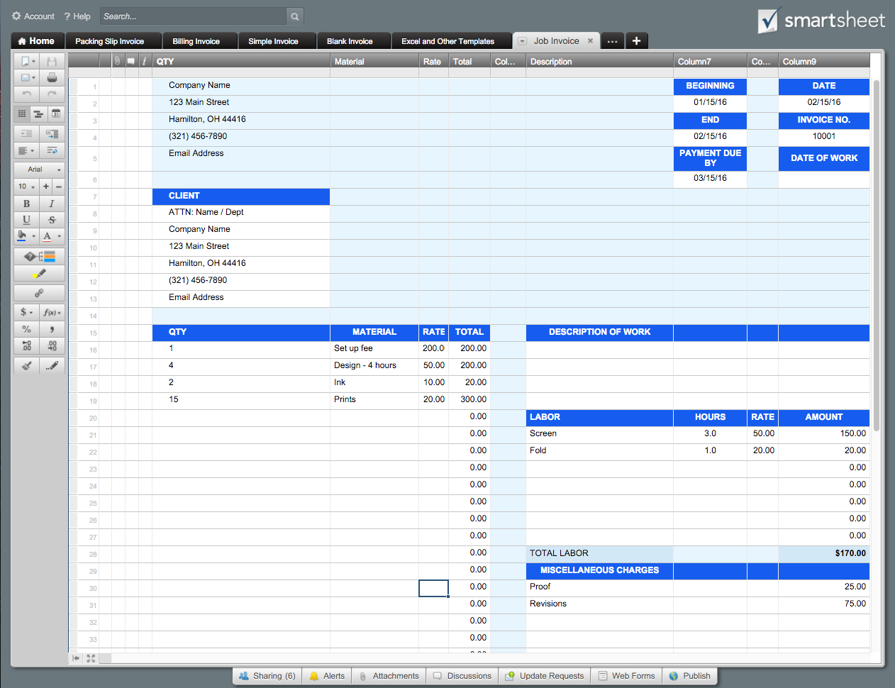
 |  |  |  | JOB INVOICE |  |  |  | Or, Click Here to Create Your Job Invoice in Smartsheet
Company Name |  |  |  | DATE
123 Main Street |  |  |  | 2016-02-15
Hamilton, OH 44416 |  |  |  | INVOICE NO.
(321) 456-7890 |  |  |  | 10001
Email Address |  |  |  | DATE OF WORK

CLIENT |  |  |  | BEGINNING |  | END
ATTN: Name / Dept |  |  |  | 2016-01-15 |  | 2016-02-15
Company Name |  |  |  | PAYMENT DUE BY
123 Main Street |  |  |  | 2016-03-15
Hamilton, OH 44416
(321) 456-7890 |  |  |  | Please make check payable to
Email Address |  |  |  | Your Company Name.

QTY | MATERIAL | RATE | TOTAL | DESCRIPTION OF WORK
1 | Set up fee | 200.00 | 200.00
4 | Design - 4 hours | 50.00 | 200.00
2 | Ink | 10.00 | 20.00
15 | Prints | 20.00 | 300.00
 |  |  | 0.00 | LABOR | HOURS | RATE | AMOUNT
 |  |  | 0.00 | Screen | 3.0 | 50.00 | 150.00
 |  |  | 0.00 | Fold | 1.0 | 20.00 | 20.00
 |  |  | 0.00 |  |  |  | 0.00
 |  |  | 0.00 |  |  |  | 0.00
 |  |  | 0.00 |  |  |  | 0.00
 |  |  | 0.00 |  |  |  | 0.00
 |  |  | 0.00 |  |  |  | 0.00
 |  |  | 0.00 | TOTAL LABOR |  |  | $170.00
 |  |  | 0.00 | MISCELLANEOUS CHARGES
 |  |  | 0.00 | Proof |  |  | 25.00
 |  |  | 0.00 | Revisions |  |  | 75.00
 |  |  | 0.00
 |  |  | 0.00
 |  |  | 0.00
TOTAL MATERIALS |  |  | $720.00 | TOTAL MISCELLANEOUS |  |  | $100.00

CUSTOMER |  |  |  | TOTAL MATERIALS |  |  | $720.00
SIGNATURE |  |  |  | TOTAL LABOR |  |  | $170.00
 |  |  |  | TOTAL MISCELLANEOUS |  |  | $100.00
AUTHORIZED |  |  |  | SUBTOTAL |  |  | $990.00
SIGNATURE |  |  |  | TAX RATE |  |  | 3.80%
For questions concerning this invoice, please contact |  |  |  | TOTAL TAX |  |  | $37.62
Name, (321) 456-7890, Email Address |  |  |  | TOTAL |  |  | $1,027.62
www.yourwebaddress.com

